General
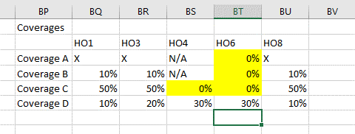
1 | To Add Multiple Location enter Location no in Cell no C2 of Rater Tab
2 | Do not Change anything where the cell color is in Red
3 | Input fields cell color is set as light blue
4 | Always check for Correct input values if anything changed

 | Changes(05/09/2021)
 | 1 | Premiums are separated
 | 2 | Coverage A will be applicable for HO6 now.
 | 3 | Cov E,F and Scheduled Property is only available on Location1.
 | 4 | Cov E and F is also applicable on DP1 and DP3 now.
 | 5 | Change in Family and Occupancy Table as given below:
 |  | Occupancy
 |  | # of Family Options
 |  | Owner - Primary
 |  | 1,2,3,4
 |  | Owner - Seasonal
 |  | 1,2,3,4
 |  | Owner - Secondary
 |  | 1,2,3,4
 |  | Owner / Tenant - Primary
 |  | 1,2,3,4
 |  | Owner / Tenant - Seasonal
 |  | 1,2,3,4
 |  | Owner / Tenant - Secondary
 |  | 1,2,3,4
 |  | Owner / Tenant - Short-Term Rental
 |  | 1,2,3,4
 |  | Tenant - Primary
 |  | 1,2,3,4
 |  | Tenant - Short-Term Rental
 |  | 1,2,3,4
 |  | Owner - Builder Risk
 |  | 1
 |  | Owner - Building Under Reno
 |  | 1
 |  | Owner / Tenant - Builders Risk
 |  | 1,2,3,4
 |  | Owner / Tenant - Building Under Reno
 |  | 1,2,3,4
 |  | Vacant
 |  | 1
 |  | Vacant - Builders Risk
 |  | 1
 |  | Vacant - Building Under Reno
 |  | 1

 | Changes(21/10/2021)
 | 1 | Removed all the conditions for HO6
 | 2 | Set the following Default values
 |  | Coverage C - HO4- user input default set to 0%
 |  | Coverage A/B/C -HO6- User input default to 0%

